Sheet1
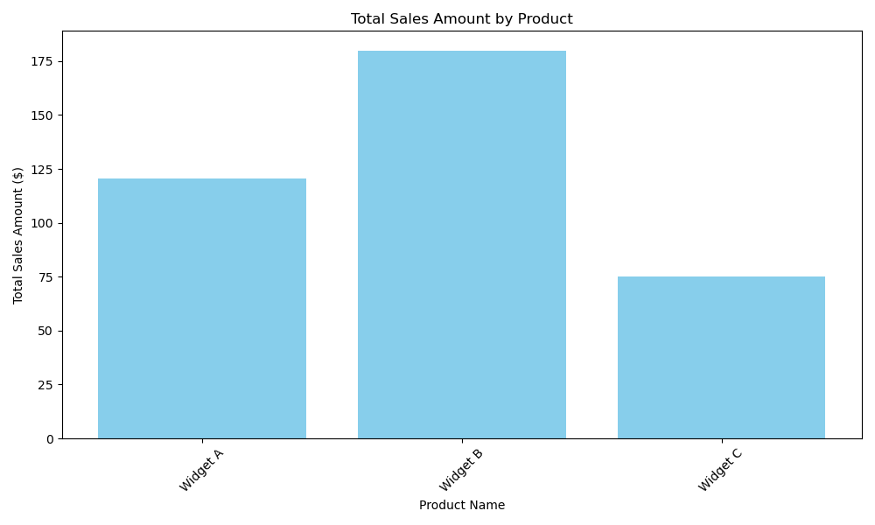
Sales Report
Sale ID | Sale Date | Product Name | Quantity Sold | Amount | Metric | Value
1 | 1/5/23 | Widget A | 2 | 120.5 | Total Sales Amount | 375.7
2 | 1/7/23 | Widget C | 1 | 75.2 | Highest Selling Product | 180
3 | 1/10/23 | Widget B | 3 | 180 | Lowest Selling Product | 75.2

